NAND BASIC and WAF TREND
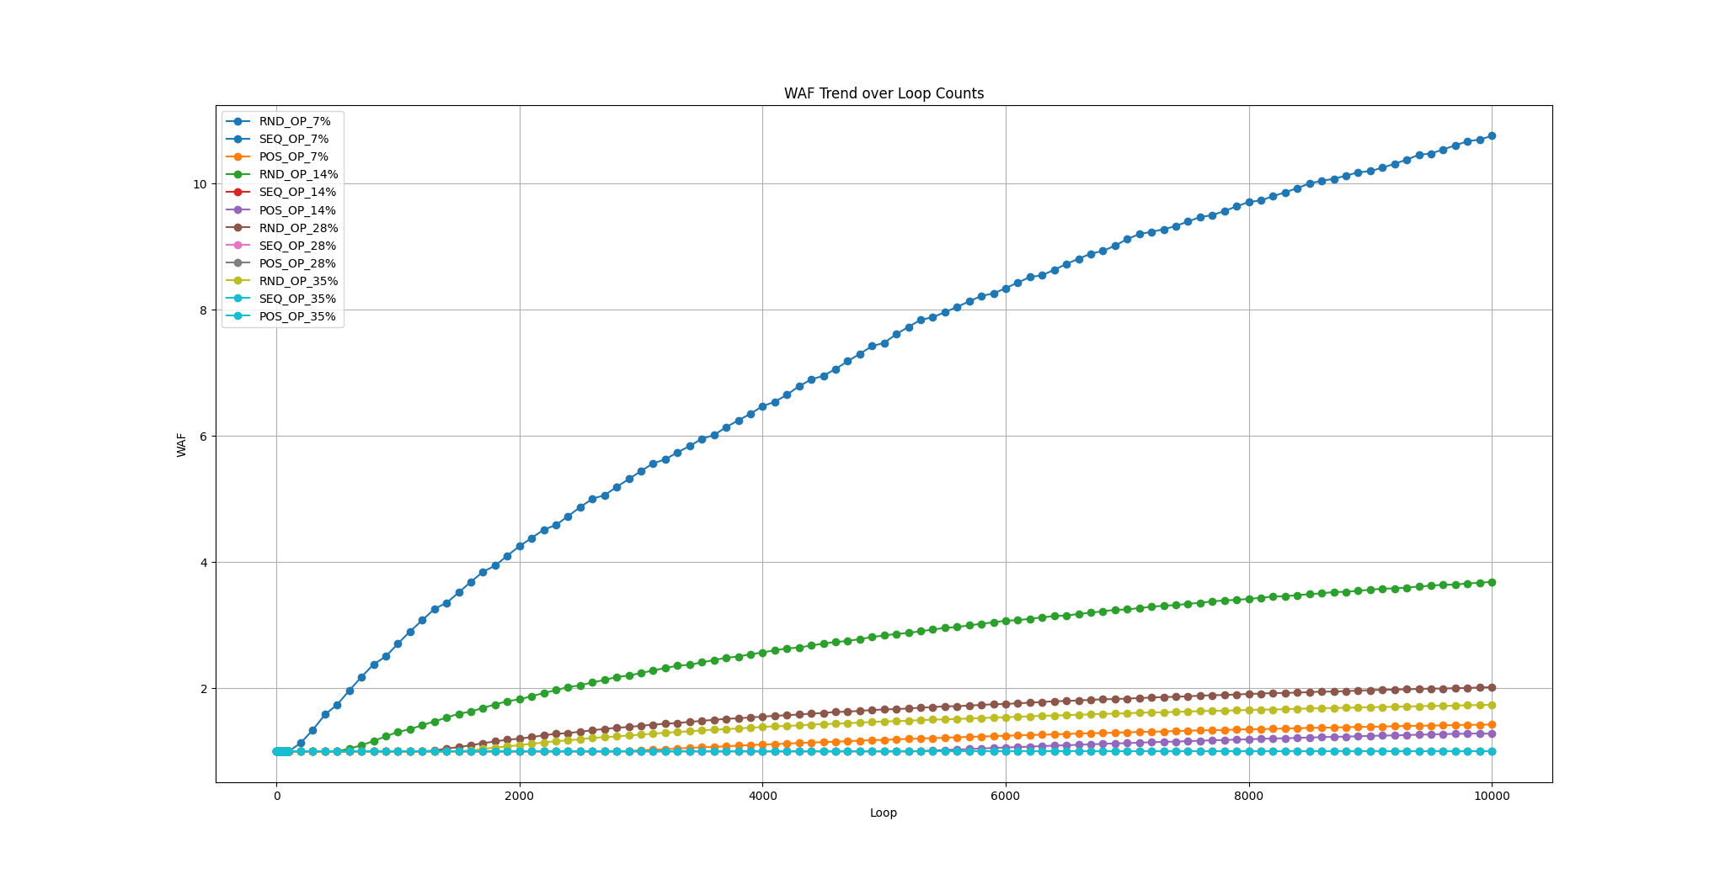
Define | Numbers | OP_SIZE | CALC | START | END | HOST_WRITE_RANGE | USED_VB | SPARE_VB | TRIGGER_GC_VB | WAF_SEQ | WAF_RND | WAF_POS
TOTAL_DIES | 4 | 7 | 6728.9719626 | 0 | 6728 | 6729 | 187 | 13 | 9 | 1 | 10.66242 | 1.427965
BLOCKS_PER_DIE | 200 | 14 | 6315.7894737 | 0 | 6315 | 6316 | 176 | 24 | 9 | 1 | 3.707141 | 1.284102
PAGES_PER_BLOCK | 9 | 28 | 5625 | 0 | 5624 | 5625 | 157 | 43 | 9 | 1 | 2.017728 | 1
TOTAL_VB_PAGES | 36 | 35 | 5333.3333333 | 0 | 5333 | 5334 | 149 | 51 | 9 | 1 | 1.738994 | 1
TOTAL_PAGES | 7200

